Dashboard
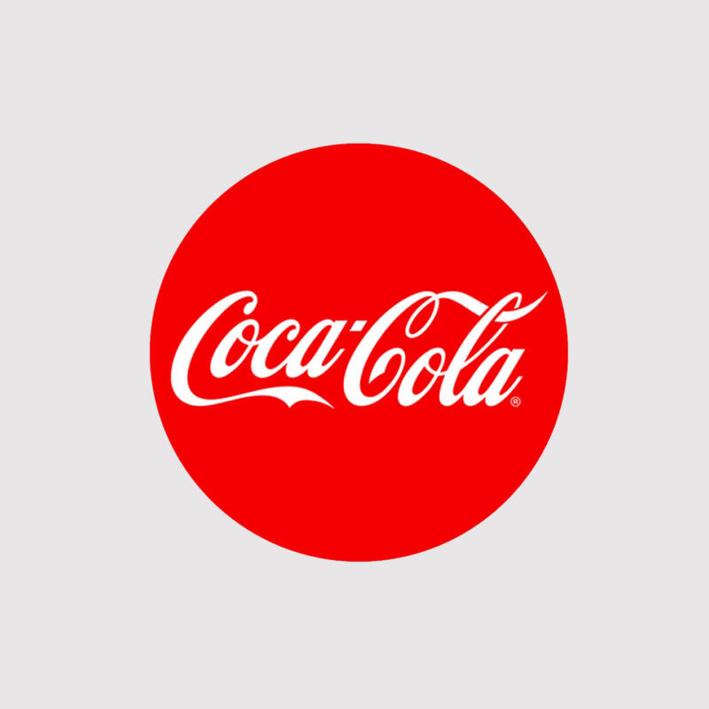

Coca-Cola Retail Dashboard

Total Sales
5’374’106 CHF
Units Sold 11’220’710 CHF
Price per Unit 0.4472 CHF
Operating Profit
2’210’917 CHF

Sales by Beverage Brand |  |  |  | Sales by Retailer
Brand | Sales 2022 | Sales 2023 | Development | Retailer | Sales 2022 | Sales 2023 | Development
Coca-Cola | 264,431 | 1,293,911 | 1,029,480 | Amazon | 276,210 | 638,894 | 362,684
Dasani Water | 262,931 | 1,075,063 | 812,132 | BevCo | 367,767 | 1,332,380 | 964,612
Diet Coke | 221,551 | 898,104 | 676,553 | FizzyCo | 161,210 | 1,774,999 | 1,613,788
Fanta | 175,908 | 621,208 | 445,301 | Target | 0 | 222,990 | 222,990
Powerade | 211,233 | 735,714 | 524,481 | Walmart | 339,913 | 496,910 | 156,998
Sprite | 195,448 | 750,105 | 554,658 | West Soda | 186,401 | 907,934 | 721,533
Total | 1,331,500 | 5,374,106 | 4,042,605 | Total | 1,331,500 | 5,374,106 | 4,042,605

Sales and Operating Profit Margin by Quarter
 | Summe von Total Sales | Mittelwert von Operating Profit
Qrtl1 | 368924.2 | 908.88923529
Qrtl2 | 299797.1 | 1115.08
Qrtl3 | 510202.8 | 807.35264093
Qrtl4 | 152576.3 | 800.12428947
Qrtl1 | 757225.9 | 302.11667335
Qrtl2 | 1246481.6 | 471.66668852
Qrtl3 | 1713767.4 | 571.0061064
Qrtl4 | 1656630.6 | 487.24419267

